BR 2
 | Bug report 2

1) Summary: | The "No" radio button can't be clicked

2) Desription: | When in the default "Elements" drop-down menu, and click on the "Radio button" field, can't click on the "No" radio button.

3) Steps: | Step 1: Open "Chrome" browser.
 | Step 2: Go to do following URL: "http://demoqa.com"
 | Step 3: In the lower left part of the window in the horizontal menu, click on the "Elements" field.
 | Step 4: In the "Elements" default dropdown, click on the field "Radio Button"
 | Step 5: Click "No" radio button

4) Expected results: | Button circle becomes blue with smaller circle in the middle (default color), "You have selected No" message appears, button name in light-green

5) Actual results: | The crossed out red border circle appears, the "No" button can't be clicked, no message appears

6) Priority: | Medium

7) Severety: | Medium

8) Repro rat: | 7/7 - 100%

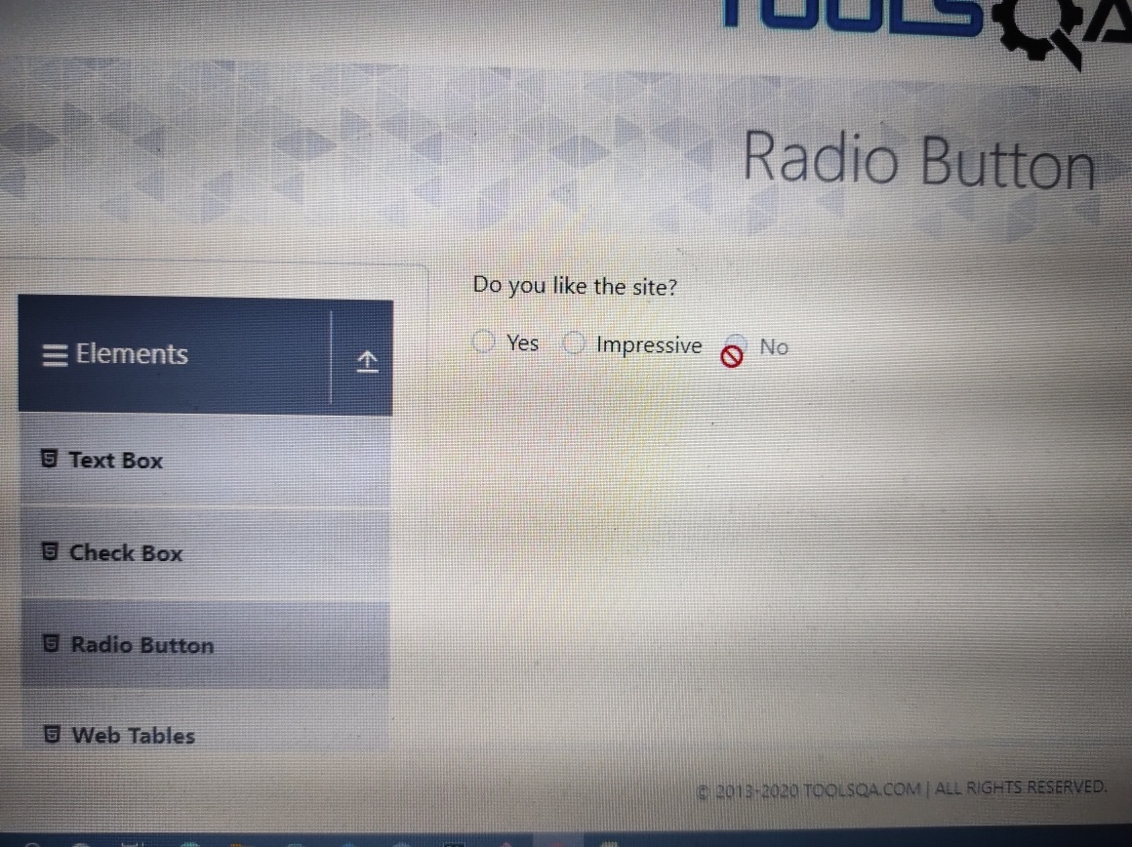
9) Screenshot:

BR 3
 | Bug report 3

1) Summary: | Invalid link and incorrectly written notification message

2) Desription: | When clicked on the linked text "Moved", the link takes you nowhere and the misspelled message "Link has responded with staus 301 and status text Moved Permanently" appears

3) Steps: | Step 1: Open "Chrome" browser.
 | Step 2: Go to do following URL: "http://demoqa.com"
 | Step 3: In the lower left part of the window in the horizontal menu, click on the "Elements" field.
 | Step 4: In the "Elements" default dropdown, click on the field "Links"
 | Step 5: Click on the linked text "Moved"

4) Expected results: | The selected link sends an API call

5) Actual results: | The link takes you nowhere and the misspelled message "Link has responded with staus 301 and status text Moved Permanently" appears

6) Priority: | Medium

7) Severety: | Low

8) Repro rat: | 5/5 - 100%

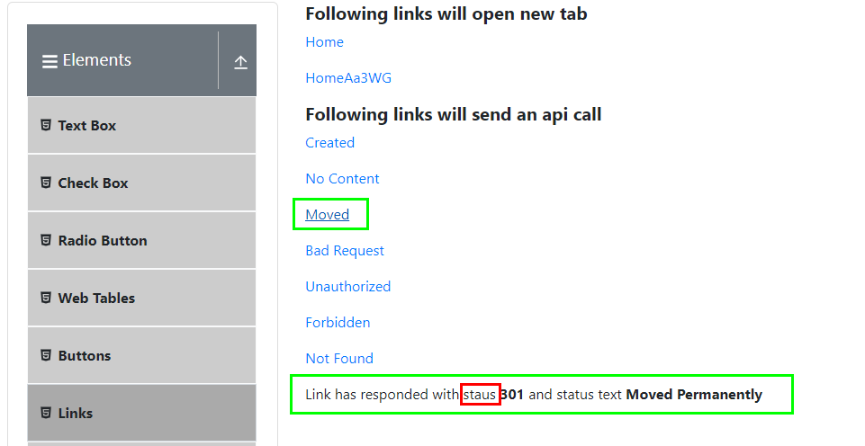
9) Screenshot:

BR 4
 | Bug report 4

1) Summary: | The selected desired file has been uploaded but can't be accessed

2) Desription: | When select and upload a file on "demoqa.com", the selected desired file is loaded but can't be accessed

3) Steps: | Step 1: Open "Chrome" browser.
 | Step 2: Go to do following URL: "http://demoqa.com"
 | Step 3: In the lower left part of the window in the horizontal menu, click on the "Elements" field.
 | Step 4: In the "Elements" default dropdown, click on the field "Upload and Download"
 | Step 5: Click on the "Choose File" button
 | Step 6: Select the desired file and click the "Open" button
 | Step 7: Click on selected desired uploaded file

4) Expected results: | The selected desired uploaded file opens

5) Actual results: | Can't click and open the selected desired uploaded file

6) Priority: | High

7) Severety: | Medium

8) Repro rat: | 9/9 - 100%

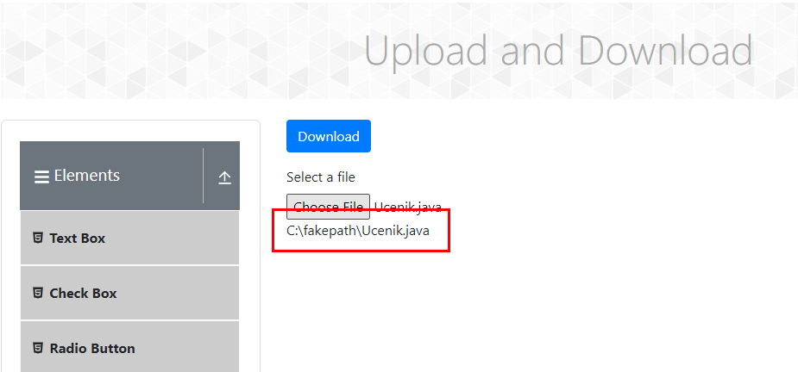
9) Screenshot:

BR 5
 | Bug report 5

1) Summary: | Incorrect and invalid date "Date of Birth" (set for future, for example: 15 Apr 2030) will be displayed as valid and checked

2) Desription: | When entering data about a newly created person, when entering data for the date "Date of Birth", if enter an incorrect and invalid date (set for the future, example: 15 Apr 2030) the field will be checked as correct and you can continue entering other data

3) Steps: | Step 1: Open "Chrome" browser.
 | Step 2: Go to do following URL: "http://demoqa.com"
 | Step 3: In the lower central part of the window in the horizontal menu, click on the "Forms" field
 | Step 4: In the "Forms" default dropdown, click on the field "Practice Form"
 | Step 5: Fill in all blanks correctly, only fill in the date "Date of Birth" incorrectly - set for the future (example: 15 Apr 2030)

4) Expected results: | Can't continue entering other data about the newly created person, a message appears with a warning about the incorrectly entered date "Date of birth": "Impossibility of birth in the future, set the date of birth again"

5) Actual results: | Incorrect and invalid "Date of birth" date (set for the future, example: 15 Apr 2030) is displayed as valid and checked, and other data may continue to be entered

6) Priority: | Low

7) Severety: | Medium

8) Repro rat: | 3/3 - 100%

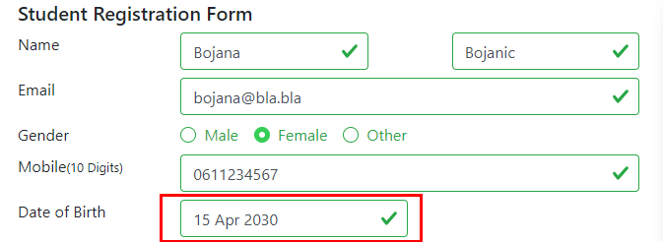
9) Screenshot:

BR 6
 | Bug report 6

1) Summary: | A new window opens even though you entered incorrect birth data - set for the future. We cannot be born in the future.

2) Desription: | When a new window opens with all the fields for entering data and all the entered data about the newly created person, it happens when we enter incorrect birth data - set for the future

3) Steps: | Step 1: Open "Chrome" browser
 | Step 2: Go to do following URL: "http://demoqa.com"
 | Step 3: In the lower central part of the window in the horizontal menu, click on the "Forms" field
 | Step 4: In the "Forms" default dropdown, click on the field "Practice Form"
 | Step 5: Fill in all blanks correctly, only fill in the date "Date of Birth" incorrectly - set for the future (example: 15 Apr 2030)
 | Step 6: Click on the blue "Submit" button

4) Expected results: | A new window does not open with all data entry fields and all entered data about the newly created person, a message appears with a warning about incorrectly entered date "Date of Birth": "Impossibility of birth in the future, set the date of birth again".

5) Actual results: | A new window opens with all data entry fields and all entered data about the newly created person

6) Priority: | Low

7) Severety: | Low

8) Repro rat: | 4/4 - 100%
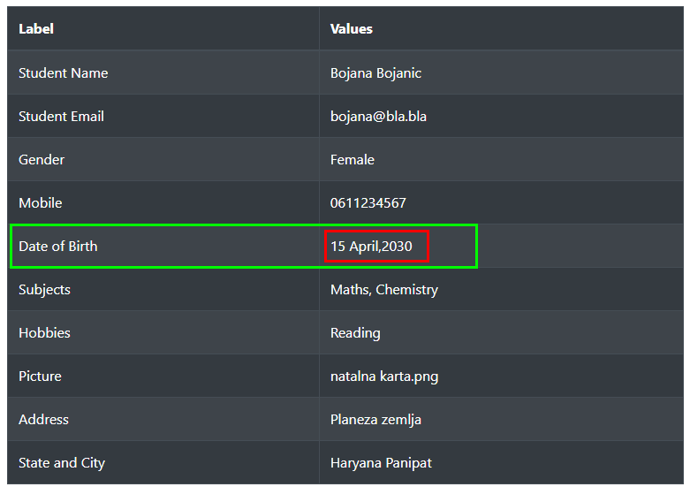
9) Screenshot:

BR 7
 | Bug report 7

1) Summary: | Can't set the year to less than 4 digits, in text input "Select Date"

2) Desription: | When enter the year in the "Select Date" text input, can't set the year to less than 4 digits in the year area

3) Steps: | Step 1: Open "Chrome" browser
 | Step 2: Go to do following URL: "http://demoqa.com"
 | Step 3: In the lower central part of the window in the horizontal menu, click on the "Widgets" field
 | Step 4: In the "Widgets" default dropdown, click on the field "Date Picker"
 | Step 5: In text input "Select Date" enter less than four digits in the year area (example: 873)
 | Step 6: Press "Enter"

4) Expected results: | Year is set to the entered year, and year picker disappears

5) Actual results: | Year is set to the 1987. year, and year picker disappears

6) Priority: | Medium

7) Severety: | Low

8) Repro rat: | 4/4 - 100%

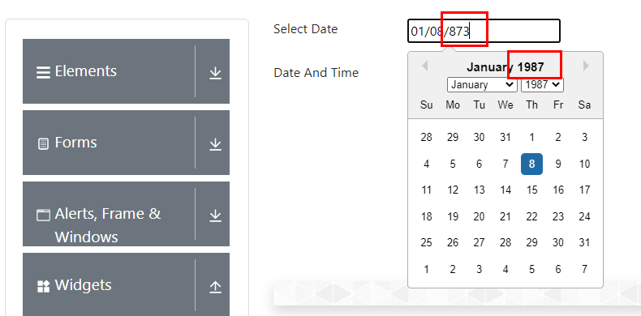
9) Screenshot:

BR 8
 | Bug report 8

1) Summary: | Can't set the year to more than 6 digits, in text input "Select Date"

2) Desription: | When enter the year in the "Select Date" text input, can't set the year to more than 6 digits in the year area

3) Steps: | Step 1: Open "Chrome" browser
 | Step 2: Go to do following URL: "http://demoqa.com"
 | Step 3: In the lower central part of the window in the horizontal menu, click on the "Widgets" field
 | Step 4: In the "Widgets" default dropdown, click on the field "Date Picker"
 | Step 5: In text input "Select Date" enter more than six digits in the year area (example: 123456789)
 | Step 6: Press "Enter"

4) Expected results: | Year is set to the entered year, and year picker disappears

5) Actual results: | Year is set to the 123456. year, and year picker disappears

6) Priority: | Medium

7) Severety: | Low

8) Repro rat: | 6/6 - 100%

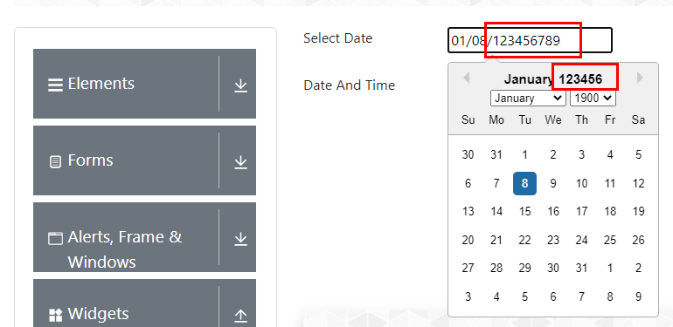
9) Screenshot:

BR 9
 | Bug report 9

1) Summary: | The "More" tab does not open and the user is not redirected to URL of "More" tab

2) Desription: | When access the "More" tab located in the "Widgets" menu and the "Tabs" tab, the "More" tab does not open and the user is not redirected to the "More" tab.

3) Steps: | Step 1: Open "Chrome" browser
 | Step 2: Go to do following URL: "http://demoqa.com"
 | Step 3: In the lower central part of the window in the horizontal menu, click on the "Widgets" field
 | Step 4: In the "Widgets" default dropdown, click on the field "Tabs"
 | Step 5: Click on "More" tab

4) Expected results: | "More" tab is opened and User is being redirected to URL of "More" tab

5) Actual results: | The "More" tab does not open and the user is not redirected to URL of "More" tab

6) Priority: | Medium

7) Severety: | Medium

8) Repro rat: | 5/5 - 100%

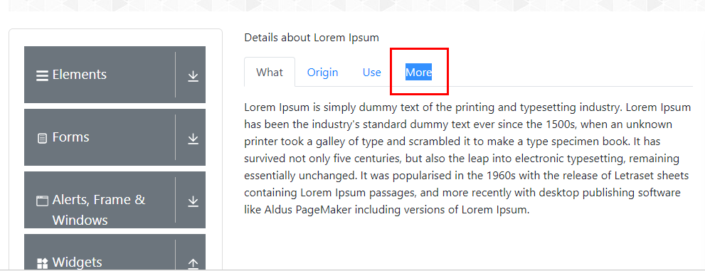
9) Screenshot:

BR 10
 | Bug report 10

1) Summary: | The "Not Acceptable" box can dragged in the "Drop here" box

2) Desription: | When drag the "Not Accetable" box in the "Drop here" box, the "Not Accetable" box can be dragged in the "Drop here" box

3) Steps: | Step 1: Open "Chrome" browser
 | Step 2: Go to do following URL: "http://demoqa.com"
 | Step 3: In the lower right part of the window in the horizontal menu, click on the "Interactions" field
 | Step 4: In the "Interactions" default dropdown, click on the field "Droppable"
 | Step 4: In the "Droppable field of the "Interactions" default dropdown, click on the "Accept" tab
 | Step 5: Left click on the "Not Acceptable" box
 | Step 6: Drag the "Not Acceptable" box to the "Drop here" box
 | Step 7: Release the cursor

4) Expected results: | The "Not Acceptable" box has been restored to its original position on the screen. Can't dragged to "Drop here" box

5) Actual results: | The "Not Acceptable" box can dragged in the "Drop here" box

6) Priority: | Medium

7) Severety: | Medium

8) Repro rat: | 5/5 - 100%

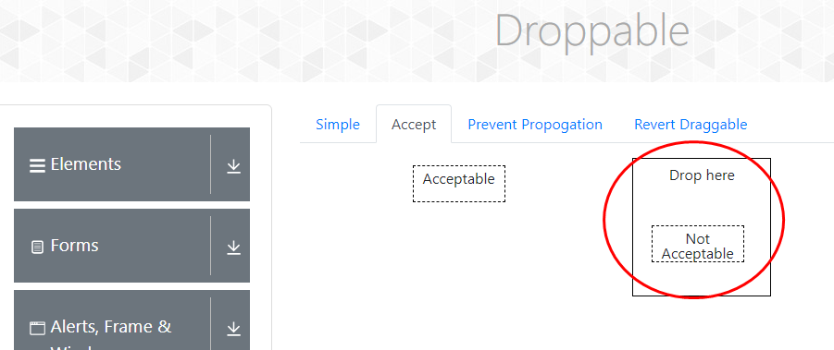
9) Screenshot:

